Coverpage

 | STATE FINANCIAL SERVICES DIVISION
 | LOCAL GOVERNMENT SERVICES BUREAU
 | Mitchell Building Room 255, PO Box 200547, Helena, Montana 59620-0547
 | Phone (406) 444-9101
 | Local Government Services Bureau Portal

MONTANA

FINAL

BUDGET DOCUMENT

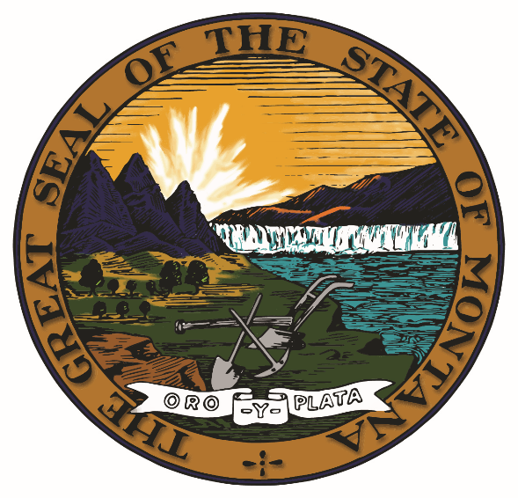

Fiscal Year ended June 30, 2021

City of Roundup

Form Prescribed by Department of Administration
Local Government Services Bureau
Montana Budgetary, Accounting, and Reporting System

Revised May 2020 - V-1

